Sheet1
NN |  |  | SVM |  |  | RF |  | CMSIS
Original (nS) | Fast (nS) | Slow (nS) | Original (nS) | Fast (nS) | Slow (nS) | Original (nS) | Fast (nS) | Original (nS) | Fast (nS) | Algorithm | Original (nS) | Fast (nS) | Slow (nS) | Fast Speed-Up | Slow Speed-Up
423100 | 2729300 | 89399500 | 365000 | 1725900 | 24417300 | 452700 | 2127500 | 2480300 | 2899800 | NN | 462003 | 2790937 | 91308129 | 0.16553687883 | 0.0050598233154
425900 | 2991600 | 88476700 | 295700 | 1632000 | 26611900 | 637200 | 1933500 | 2497200 | 2914000 | SVM | 310709 | 1858399 | 24542603 | 0.16719176022 | 0.012659985577
466200 | 2820600 | 91300400 | 292600 | 2084400 | 23757200 | 460700 | 2056200 | 2644600 | 3015800 | RF | 500811 | 1829565 | N/A | 0.27373228062 | N/A
433200 | 2966600 | 92750800 | 297500 | 1886300 | 25564500 | 470000 | 1234200 | 2796800 | 3060100 | CMSIS | 2565969 | 2813269 | N/A | 0.91209514625 | N/A
439400 | 2669000 | 91107400 | 315700 | 1224400 | 24678900 | 606500 | 2120600 | 2526200 | 3084600
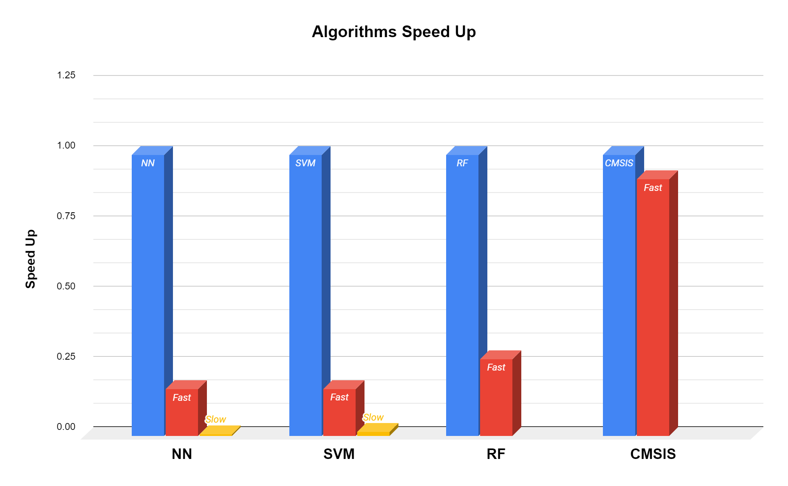
428500 | 2945800 | 91911300 | 306900 | 1830600 | 23738700 | 480000 | 1918300 | 2751300 | 2955000
428300 | 3059000 | 90195500 | 295400 | 2098800 | 23826100 | 488300 | 2295300 | 4519000 | 2762000
434700 | 2931100 | 92949900 | 286900 | 2049300 | 24499300 | 466700 | 1214000 | 2760900 | 3044500
467700 | 2541600 | 95012000 | 288900 | 1887600 | 24083500 | 477400 | 1996500 | 2743100 | 2915100
428900 | 2902900 | 96732800 | 294100 | 1859800 | 24056600 | 538600 | 2007000 | 2528700 | 2805000
457300 | 2225900 | 94350200 | 295400 | 1868800 | 25177900 | 481100 | 1755600 | 2519500 | 3010100
446700 | 2127500 | 100767800 | 295400 | 1639000 | 25063400 | 481500 | 1688300 | 2744000 | 2849600
695400 | 2859500 | 91592200 | 306500 | 1902700 | 23842900 | 451700 | 1888200 | 2536200 | 3184500
423700 | 2091100 | 89639800 | 293600 | 2035900 | 24785700 | 490700 | 1071100 | 2556200 | 2845600
429800 | 2668700 | 88332000 | 314900 | 1802100 | 24569300 | 453000 | 1242200 | 2494600 | 3121200
429800 | 2803600 | 90424100 | 391800 | 1965200 | 25338400 | 463600 | 2082900 | 2481100 | 2849700
450000 | 3229000 | 91049900 | 336300 | 1846700 | 24785400 | 453000 | 1918000 | 2489800 | 3232300
436200 | 3121000 | 90326000 | 363200 | 1884000 | 24501200 | 488100 | 2085700 | 2488600 | 3237000
423900 | 2986600 | 90813600 | 296400 | 2012200 | 24660200 | 465800 | 1901300 | 2676900 | 3006900
425100 | 2953100 | 95930400 | 314700 | 1102700 | 26335500 | 487900 | 2056700 | 2515700 | 3179200
464200 | 2629700 | 96606900 | 291900 | 1963600 | 26795400 | 457000 | 2143700 | 2486800 | 3097800
425700 | 3188900 | 101392200 | 292000 | 2038900 | 25019000 | 467100 | 1985100 | 2474400 | 3024100
420800 | 2255500 | 97534500 | 307700 | 1918900 | 27881600 | 463900 | 1788600 | 2477700 | 3036000
428700 | 2572000 | 94516400 | 297200 | 1699800 | 23260700 | 520800 | 1874100 | 2483400 | 2857700
430200 | 2196700 | 90650700 | 294000 | 1920500 | 24594000 | 789900 | 1924400 | 2490600 | 2720400
436200 | 2312500 | 93157600 | 297400 | 1901600 | 24568500 | 492100 | 1692400 | 2505000 | 2952200
421900 | 2849100 | 94866500 | 308700 | 1876400 | 24564200 | 459400 | 2104600 | 2496800 | 3226100
462400 | 2261000 | 95115600 | 305800 | 1854700 | 23756700 | 455800 | 1398200 | 2786400 | 3019000
612100 | 3048500 | 91913900 | 306900 | 1865900 | 24986100 | 459300 | 1728700 | 2475500 | 2749300
424500 | 3208300 | 96563500 | 294000 | 1791700 | 24253300 | 457300 | 2007700 | 2488300 | 3087200
425500 | 3095900 | 93595200 | 292800 | 1888800 | 25296300 | 477800 | 2016800 | 2501500 | 2847200
430800 | 2887600 | 86719900 | 295700 | 1944900 | 24976900 | 482700 | 1332000 | 2477300 | 2942200
426100 | 2692900 | 90439400 | 299300 | 2024100 | 24474900 | 477500 | 2123700 | 2499100 | 2862300
441100 | 2744900 | 93679100 | 301000 | 1859000 | 23856300 | 921700 | 2136700 | 2488800 | 3239300
436000 | 3126900 | 89636000 | 292000 | 1871300 | 25199200 | 455400 | 1976200 | 2476000 | 2977100
444900 | 2785200 | 90371000 | 297700 | 1749700 | 24502500 | 463800 | 1633000 | 2487000 | 2839900
428000 | 2986800 | 89569100 | 304700 | 2003500 | 25491400 | 452500 | 2054700 | 2487900 | 3177800
749100 | 2839600 | 90537700 | 302200 | 1888400 | 24322300 | 455100 | 1896100 | 2478400 | 2751900
434600 | 2674600 | 90119100 | 298500 | 1984400 | 24263500 | 480700 | 1929900 | 2500600 | 2283500
425000 | 2868500 | 91064300 | 298700 | 2106800 | 25104200 | 457400 | 1594100 | 2477400 | 2496800
427700 | 2447000 | 89082100 | 293800 | 1914000 | 26085400 | 453700 | 1995700 | 2492700 | 2900700
470600 | 2372700 | 89242200 | 294600 | 2066500 | 23582000 | 477000 | 1929400 | 2482800 | 2700800
429500 | 2712500 | 88353800 | 286100 | 1943900 | 25265100 | 462100 | 1862800 | 2480600 | 2050500
765300 | 2846000 | 89999900 | 306700 | 1878000 | 25117600 | 456700 | 1533200 | 4136100 | 2559200
430700 | 2988800 | 90728000 | 369900 | 1908800 | 24975100 | 475600 | 2075200 | 2482400 | 2866300
424100 | 2673200 | 92312400 | 291600 | 1924700 | 26178800 | 465400 | 1702600 | 2480000 | 1840900
460800 | 2157200 | 91424700 | 296800 | 1936600 | 24392800 | 458100 | 1967600 | 2477100 | 1865300
475300 | 3018200 | 92012400 | 346600 | 1505400 | 24593200 | 497200 | 1801700 | 2470700 | 3435500
765300 | 3170000 | 89737100 | 293700 | 1958300 | 24237700 | 480400 | 1571600 | 2510300 | 2820400
446900 | 2906800 | 87713300 | 298600 | 1884500 | 24156500 | 487200 | 1803900 | 2620600 | 2583000
485500 | 2687800 | 85220100 | 288000 | 1954900 | 24151900 | 484500 | 1955400 | 2511500 | 3122800
470500 | 3092200 | 89896500 | 372600 | 2026100 | 24274900 | 507200 | 1274400 | 2506700 | 3002000
440000 | 2965600 | 87848100 | 290300 | 1527500 | 24877300 | 555900 | 2023200 | 2482900 | 2927500
487400 | 2676500 | 94666400 | 297000 | 1859600 | 29059100 | 462700 | 1996500 | 2515400 | 2804800
488300 | 2955500 | 89605600 | 287300 | 1683400 | 25093000 | 528400 | 1922200 | 2491300 | 2841400
805200 | 2870500 | 91341800 | 296600 | 1711800 | 24154400 | 568600 | 1925000 | 2487000 | 2713900
443000 | 2953500 | 88811100 | 293600 | 1868000 | 23827500 | 453400 | 1927300 | 2503600 | 3201300
450700 | 2932900 | 89320600 | 295800 | 1765500 | 24126100 | 449900 | 1364400 | 2477800 | 3090100
449200 | 2847500 | 89345200 | 297100 | 2180800 | 23437400 | 460400 | 1836000 | 2558900 | 2363100
426900 | 2399800 | 90367600 | 305400 | 2070300 | 24025300 | 561800 | 1574100 | 2490900 | 2697600
432100 | 3081600 | 90028700 | 311900 | 2048400 | 23726000 | 462500 | 1576000 | 2474000 | 2843700
475100 | 2737600 | 92471800 | 294600 | 1972500 | 22662500 | 472800 | 1123900 | 2481000 | 2620200
427100 | 2777000 | 87671600 | 296600 | 1717100 | 22742600 | 830000 | 2104300 | 2484500 | 2826400
423100 | 2875400 | 90949200 | 298200 | 1808100 | 24036500 | 496700 | 2264400 | 2608300 | 2535400
425500 | 2685800 | 90351300 | 295000 | 1254000 | 23097200 | 462000 | 2273500 | 2500800 | 2789000
440100 | 2493000 | 93550400 | 297800 | 1795000 | 24098800 | 874600 | 2006400 | 2484700 | 2636300
436800 | 2590700 | 89790000 | 299700 | 1862900 | 25200500 | 457700 | 1166400 | 2482100 | 2924600
447000 | 2587600 | 88567000 | 296400 | 1849500 | 24012500 | 459000 | 1988400 | 2496700 | 2646400
429100 | 2815500 | 90965900 | 298000 | 1184400 | 23455900 | 475500 | 1125200 | 2474000 | 3070200
420100 | 2632800 | 90211700 | 284200 | 1822000 | 23461100 | 508900 | 1443700 | 2484400 | 2894500
424000 | 2794000 | 89911600 | 533800 | 1928600 | 25179800 | 504300 | 1701700 | 2529900 | 2849300
430600 | 3026100 | 93253500 | 299100 | 2127300 | 23677400 | 467700 | 1517500 | 2480900 | 2387400
430500 | 2555900 | 89163300 | 308000 | 1486400 | 24528300 | 465900 | 1899300 | 2478400 | 2378700
438300 | 2811700 | 90213600 | 310300 | 1875600 | 24627400 | 508400 | 1891000 | 2484800 | 2944600
688700 | 2964700 | 89237500 | 308300 | 1866500 | 25049700 | 465400 | 1160200 | 2514300 | 2578000
424000 | 3029300 | 89686900 | 288300 | 1821700 | 25698500 | 447600 | 2159100 | 3550400 | 2808200
432200 | 2883900 | 88430100 | 317200 | 2049400 | 24649600 | 497400 | 2120300 | 2493800 | 2924300
423300 | 2883500 | 94017600 | 288100 | 1916100 | 23778400 | 456300 | 2161400 | 2509100 | 2306900
430300 | 2913600 | 102945400 | 296500 | 1935400 | 24673500 | 564000 | 1613400 | 2537800 | 2794000
483800 | 2476400 | 89947200 | 296300 | 2070400 | 23886400 | 463300 | 2128500 | 2500500 | 3167800
436000 | 3101300 | 90399200 | 302100 | 1873400 | 24128600 | 458900 | 1567400 | 2484300 | 2729100
613200 | 2148800 | 90741000 | 297400 | 1841500 | 22242800 | 453000 | 2023400 | 2494200 | 2704400
422600 | 3020600 | 87962000 | 333900 | 1840600 | 24831600 | 457000 | 1850800 | 2507100 | 2712500
439300 | 2867700 | 90603500 | 300900 | 1980100 | 26292700 | 565800 | 2062000 | 2476300 | 2602900
474800 | 2933500 | 92661300 | 376100 | 1933100 | 23435500 | 462700 | 2191700 | 2478900 | 2692500
463700 | 2892100 | 89650600 | 293400 | 1600700 | 23647600 | 491100 | 2121400 | 2738200 | 2353500
430500 | 2884400 | 91041700 | 294400 | 1855100 | 24030700 | 450800 | 1563400 | 2488200 | 2502700
483600 | 1960500 | 92663200 | 296800 | 1868700 | 24522600 | 481800 | 2049700 | 2482500 | 2028800
476300 | 3065400 | 88822600 | 318300 | 1751800 | 24507600 | 457700 | 1296700 | 2483400 | 2191800
448300 | 2998600 | 91839500 | 316100 | 1893800 | 24995300 | 565800 | 2253900 | 2513200 | 3134500
423600 | 2643200 | 90986900 | 529800 | 1489600 | 24290200 | 470700 | 1829100 | 2486000 | 2953000
432500 | 2898400 | 89825100 | 356800 | 1906000 | 23871800 | 817900 | 1784800 | 2494300 | 2687000
431900 | 2792100 | 91053000 | 302900 | 1986800 | 24620500 | 458900 | 1926800 | 2484300 | 3161300
428600 | 3059200 | 89761300 | 303700 | 2012300 | 23316200 | 465300 | 1849000 | 2516300 | 3267600
420200 | 2568600 | 93611800 | 298000 | 1832800 | 25136500 | 485900 | 1839000 | 2484600 | 2850200
437000 | 3113100 | 88998600 | 296300 | 1757300 | 23585400 | 466400 | 1618200 | 2517300 | 2760000
472600 | 2869200 | 91458600 | 297700 | 1988900 | 24588000 | 481500 | 2152600 | 2476800 | 2534700
434100 | 2987700 | 88851200 | 321200 | 1894100 | 24877600 | 480400 | 1533000 | 2478400 | 2599900
438900 | 3089500 | 92408500 | 298700 | 1983300 | 23874300 | 601300 | 1792900 | 2533500 | 2746000
426400 | 3060900 | 87969200 | 390900 | 2098800 | 24150200 | 480300 | 2250100 | 2479800 | 2641700

